Screen Shots
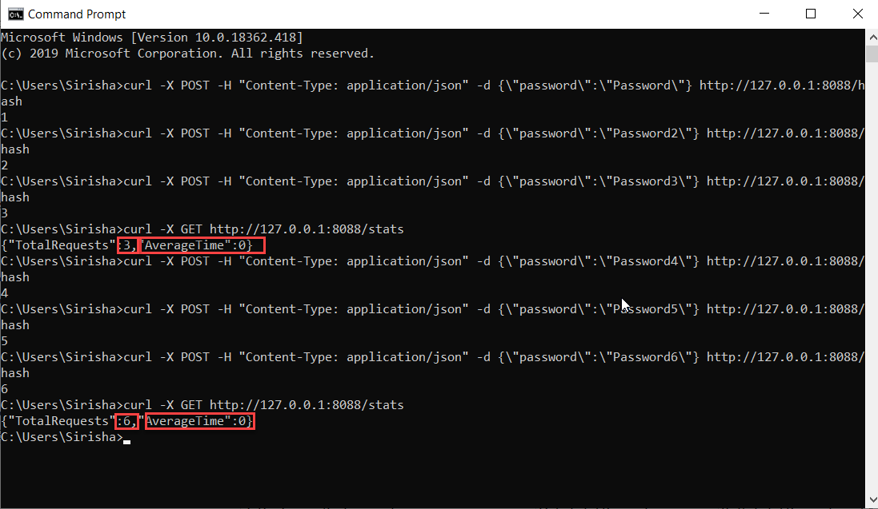
Bug #2:

Bug #3:

Bug#5:

Bug#6:

